Data Set 1
FOR ACTION'S PORTFOLIO

 |  |  |  |  |  | Value Sales ('Million VND)
 | Action's Portfolio Cross Categories | Q1'13 | Q2'13 | Q3'13 | Q4'13 | Q1'14 | Q2'14 | Q3'14 | Q4'14 | Q1'15 | Q2'15 | Q3'15 | Q4'15 | using value share and value sales of Action can infer total VN value sales
Total Vietnam | Action Laundry | 74 | 99 | 99 | 190 | 212 | 263 | 282 | 308 | 352 | 355 | 373 | 376
 | Action Teeth | 23 | 24 | 24 | 24 | 23 | 24 | 24 | 23 | 21 | 23 | 25 | 25
 | Action Skin | 9 | 10 | 10 | 10 | 10 | 10 | 10 | 10 | 10 | 10 | 11 | 12
 | Action Dish | 0 | 0 | 0 | 0 | 0 | 0 | 0 | 0 | 0 | 1 | 2 | 11
 | Action Face | 0 | 0 | 0 | 1 | 1 | 0 | 1 | 1 | 1 | 1 | 0 | 0
 | Action Skin | 0 | 0 | 0 | 0 | 0 | 0 | 0 | 0 | 0 | 0 | 0 | 0
 | Action Hair | 29 | 28 | 28 | 28 | 28 | 28 | 28 | 28 | 27 | 27 | 26 | 25

FOR LAUNDRY
 |  |  |  |  |  | Value % Share
 | Brands in Laundry | Q1'13 | Q2'13 | Q3'13 | Q4'13 | Q1'14 | Q2'14 | Q3'14 | Q4'14 | Q1'15 | Q2'15 | Q3'15 | Q4'15
Total Vietnam | Action | 3.6 | 5.1 | 5.1 | 9.8 | 11.6 | 14.1 | 14.9 | 15.5 | 17.4 | 18.4 | 19.4 | 19.1
 | Big | 68.4 | 66.7 | 66.7 | 62.6 | 62.1 | 60.4 | 59.1 | 56.5 | 56.6 | 56.2 | 54.2 | 54.4
 | Cheapo | 2.8 | 2.9 | 2.9 | 2.8 | 2.6 | 2.6 | 2.5 | 2.5 | 2.3 | 2.5 | 3.0 | 3.4
 | Dirtygone | 6.3 | 6.9 | 6.9 | 6.0 | 5.7 | 5.5 | 5.1 | 5.0 | 4.4 | 4.4 | 4.8 | 4.6
 | Extreme | 1.9 | 2.5 | 2.5 | 5.0 | 5.2 | 4.4 | 4.5 | 5.9 | 5.4 | 5.4 | 5.4 | 5.8
MT Urban | Action | 0.5 | 0.6 | 0.6 | 1.8 | 2.2 | 2.9 | 2.6 | 2.7 | 2.7 | 3.7 | 5.3 | 6.0
 | Big | 68.8 | 70.0 | 70.0 | 64.1 | 63.2 | 65.2 | 60.8 | 53.3 | 56.4 | 57.3 | 56.0 | 57.6
 | Cheapo | 1.8 | 1.8 | 1.8 | 2.2 | 1.9 | 2.0 | 2.4 | 2.1 | 2.4 | 2.5 | 2.9 | 3.0
 | Dirtygone | 3.8 | 3.9 | 3.9 | 2.8 | 2.8 | 2.6 | 3.1 | 3.7 | 3.2 | 3.3 | 4.4 | 4.4
 | Extreme | 5.2 | 7.9 | 7.9 | 13.6 | 13.7 | 10.8 | 12.9 | 20.1 | 17.9 | 17.8 | 15.4 | 13.5
TT Urban | Action | 2.9 | 4.2 | 4.2 | 6.0 | 6.9 | 8.4 | 8.5 | 8.2 | 8.3 | 9.2 | 10.4 | 10.6
 | Big | 64.5 | 63.0 | 63.0 | 61.6 | 61.7 | 59.8 | 59.7 | 58.6 | 59.4 | 57.4 | 56.0 | 56.0
 | Cheapo | 2.1 | 2.0 | 2.0 | 2.0 | 2.1 | 1.7 | 1.8 | 2.2 | 2.3 | 2.5 | 2.8 | 2.7
 | Dirtygone | 7.1 | 7.4 | 7.4 | 6.7 | 6.4 | 6.1 | 6.3 | 6.4 | 5.9 | 6.2 | 6.7 | 6.6
 | Extreme | 3.3 | 3.6 | 3.6 | 6.7 | 6.7 | 6.6 | 6.3 | 7.2 | 7.3 | 7.6 | 7.5 | 8.2
TT Rural | Action | 4.5 | 6.4 | 6.4 | 13.7 | 16.3 | 19.8 | 21.3 | 22.4 | 25.3 | 26.5 | 27.2 | 27.2
 | Big | 70.4 | 68.1 | 68.1 | 62.9 | 62.1 | 59.8 | 58.4 | 55.8 | 55.0 | 55.2 | 52.8 | 52.7
 | Cheapo | 3.3 | 3.5 | 3.5 | 3.5 | 3.1 | 3.2 | 2.9 | 2.7 | 2.3 | 2.5 | 3.2 | 4.0
 | Dirtygone | 6.4 | 7.1 | 7.1 | 6.2 | 5.9 | 5.6 | 4.8 | 4.4 | 3.7 | 3.6 | 3.8 | 3.4
 | Extreme | 0.6 | 0.9 | 0.9 | 2.3 | 2.5 | 1.9 | 1.7 | 2.4 | 2.2 | 1.7 | 2.3 | 2.7

 |  |  |  |  | Value % Share |  | share of each brand in the selected region, for ex, TT NE/NW Rural is made of Action, Big, etc. |  |  |  |  |  |  |  | Value % Share of Trade
 | Big |  |  | Action |  |  | Cheapo |  |  | Dirtygone |  |  |  | Value Share of Trade
 | MAT 2YA | MAT LY | MAT TY | MAT 2YA | MAT LY | MAT TY | MAT 2YA | MAT LY | MAT TY | MAT 2YA | MAT LY | MAT TY |  |  | Big | Action
TT Off NE/NW Rural | 75.3 | 66.1 | 58.0 | 8.0 | 18.5 | 25.3 | 0.7 | 0.9 | 3.5 | 4.4 | 2.9 | 2.5 |  | TT Off NE/NW Rural | 15.3 | 17.8 | can infer MT urban of Big and Action using this share of trade cuz we already have TT Rural and TT Urban and, in abbreviation table, total VN equal to these 3 groups
TT Off RRD Rural | 73.4 | 65.4 | 62.2 | 11.8 | 19.4 | 23.6 | 1.1 | 1.4 | 2.2 | 5.0 | 3.9 | 3.3 |  | TT Off RRD Rural | 4.3 | 4.4
TT Off NCC Rural | 67.3 | 57.2 | 50.7 | 14.8 | 24.1 | 27.7 | 0.7 | 0.7 | 2.4 | 4.2 | 2.8 | 1.8 |  | TT Off NCC Rural | 8.5 | 12.4
TT Off CH Rural | 58.0 | 51.3 | 50.4 | 13.5 | 23.1 | 26.1 | 6.5 | 6.6 | 6.5 | 5.4 | 4.4 | 3.7 |  | TT Off CH Rural | 3.0 | 4.1
TT Off SCC Rural | 54.5 | 49.6 | 46.3 | 19.5 | 27.1 | 31.9 | 5.8 | 5.0 | 5.7 | 3.4 | 2.3 | 1.4 |  | TT Off SCC Rural | 3.7 | 6.9
TT Off SE Rural | 51.0 | 48.5 | 45.5 | 28.8 | 32.9 | 31.1 | 2.5 | 2.7 | 3.8 | 4.4 | 3.3 | 2.5 |  | TT Off SE Rural | 8.0 | 14.6
TT Off MKD Rural | 50.6 | 45.6 | 43.4 | 20.4 | 28.2 | 29.2 | 6.7 | 4.7 | 5.8 | 10.2 | 6.6 | 6.3 |  | TT Off MKD Rural | 10.1 | 18.1
TT Off NE/NW Urban | 67.8 | 69.0 | 61.8 | 3.7 | 6.0 | 4.6 | 1.5 | 1.0 | 1.3 | 7.9 | 3.3 | 4.4 |  | TT Off NE/NW Urban | 0.3 | 0.1
TT Off RRD Urban | 69.9 | 63.5 | 59.5 | 2.9 | 5.1 | 7.2 | 0.4 | 0.5 | 1.2 | 2.4 | 1.7 | 1.8 |  | TT Off RRD Urban | 10.1 | 3.3
TT Off NCC Urban | 64.2 | 60.0 | 59.5 | 3.6 | 5.9 | 6.6 | 0.1 | 0.3 | 0.9 | 10.8 | 8.0 | 7.3 |  | TT Off NCC Urban | 0.8 | 0.2
TT Off CH Urban | 65.7 | 63.0 | 59.2 | 1.7 | 1.7 | 3.4 | 3.7 | 3.9 | 6.0 | 9.6 | 11.5 | 13.1 |  | TT Off CH Urban | 0.4 | 0.1
TT Off SCC Urban | 64.9 | 67.1 | 65.7 | 3.8 | 5.4 | 8.9 | 1.3 | 1.5 | 2.2 | 8.1 | 7.0 | 6.6 |  | TT Off SCC Urban | 2.2 | 0.8
TT Off SE Urban | 58.4 | 56.6 | 52.9 | 8.8 | 9.7 | 12.1 | 2.3 | 3.1 | 3.5 | 5.8 | 6.0 | 6.6 |  | TT Off SE Urban | 18.2 | 11.2
TT Off MKD Urban | 46.9 | 46.8 | 47.3 | 13.7 | 16.8 | 17.3 | 4.3 | 4.0 | 4.2 | 17.6 | 17.7 | 17.3 |  | TT Off MKD Urban | 3.2 | 3.1

 |  |  |  |  |  |  |  | Value % Share |  | share of each packsize out of total sales of whole category
Value % Share - Total Vietnam |  |  |  |  |  |  |  |  |  |  |  |  |  |  |  |  |  |  |  | Action | MAT 2YA | MAT TY |  | Big | MAT 2YA | MAT TY
BRAND | PACKSIZE | MAT 2YA | MAT LY | MAT TY | BRAND | PACKSIZE | MAT 2YA | MAT LY | MAT TY | BRAND | PACKSIZE | MAT 2YA | MAT LY | MAT TY | BRAND | PACKSIZE | MAT 2YA | MAT LY | MAT TY | 3000 | 2.1 | 3.4 | 17% | 3000 | 9.8 | 5.7 | 13%
Big | 100 | 1.9 | 1.4 | 1.0 | Action | 360 | NA | 0.2 | 0.5 | Cheapo | 100 | 0.0 | 0.0 | 0.0 | Dirtygone | 2400 | 0.3 | 0.2 | 0.3 | 400 | 2.5 | 3.3 | 17% | 400 | 15 | 10.1 | 23%
Big | 1200 | 2.0 | 1.5 | 1.2 | Action | 4100 | NA | 0.7 | 1.7 | Cheapo | 2200 | 1.0 | 0.7 | 0.7 | Dirtygone | 260 | 0.4 | 0.2 | 0.1 | 4500 | 3.7 | 3.4 | 17% | 4500 | 3.5 | 7.7 | 17%
Big | 2700 | 1.7 | 1.2 | 1.0 | Action | 720 | NA | 0.5 | 0.9 | Cheapo | 250 | 0.5 | 1.0 | 0.8 | Dirtygone | 300 | 0.3 | 0.3 | 0.3 | 800 | 3.1 | 4.1 | 21% | 800 | 12 | 9.3 | 21%
Big | 3000 | 9.8 | 7.4 | 5.7 | Action | 3000 | 0.1 | 0.1 | 0.1 | Cheapo | 300 | 1.2 | 0.1 | 0.0 | Dirtygone | 3000 | 0.2 | 0.2 | 0.2 | Others | 1.2 | 5.5 | 28% | Others | 14.5 | 11.7 | 26%
Big | 360 | 1.4 | 1.6 | 1.1 | Action | 1500 | 0.2 | 0.4 | 0.5 | Cheapo | 3800 | 0.3 | 0.1 | 0.0 | Dirtygone | 400 | 0.0 | 0.1 | 0.0 |  |  | 19.7 |  |  |  | 44.5
Big | 400 | 15.0 | 13.1 | 10.1 | Action | 3000 | 2.1 | 2.7 | 3.4 | Cheapo | 400 | 0.4 | 1.3 | 1.1 | Dirtygone | 4000 | 0.1 | 0.0 | 0.0
Big | 4100 | 2.7 | 2.2 | 2.3 | Action | 400 | 2.5 | 3.1 | 3.3 | Cheapo | 4500 | 0.0 | 0.2 | 0.3 | Dirtygone | 4500 | 0.0 | 0.1 | 0.6
Big | 4500 | 3.5 | 6.2 | 7.7 | Action | 4500 | 3.7 | 3.8 | 3.4 | Cheapo | 550 | 1.7 | 0.1 | 0.0 | Dirtygone | 560 | 0.3 | 0.2 | 0.1
Big | 5500 | 1.6 | 1.3 | 1.1 | Action | 6000 | 0.9 | 1.5 | 1.8 | Cheapo | 6000 | 0.0 | 0.1 | 0.5 | Dirtygone | 600 | 0.1 | 0.1 | 0.1
Big | 6000 | 1.4 | 2.1 | 2.6 | Action | 800 | 3.1 | 4.6 | 4.1 | Cheapo | 800 | 0.4 | 1.0 | 1.0 | Dirtygone | 6000 | 0.4 | 0.7 | 1.1
Big | 720 | 1.7 | 1.8 | 1.4 | Action |  |  |  |  |  |  |  |  |  | Dirtygone | 800 | 0.0 | 0.0 | 0.2
Big | 800 | 12.0 | 9.7 | 9.3 |  |  |  |  |  |  |  |  |  |  | Dirtygone | 90 | 0.1 | 0.1 | 0.0

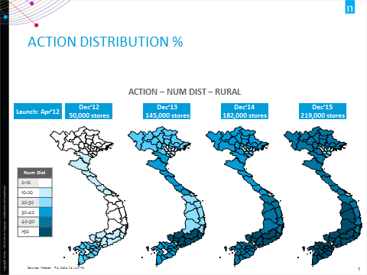
 |  |  | Numeric Distribution
 | Big |  |  | Action |  |  | Cheapo |  |  | Dirtygone
 | MAT 2YA | MAT LY | MAT TY | MAT 2YA | MAT LY | MAT TY | MAT 2YA | MAT LY | MAT TY | MAT 2YA | MAT LY | MAT TY
TT Off NE/NW Rural | 88 | 82 | 79 | 31 | 34 | 43 | 13 | 7 | 9 | 36 | 24 | 17
TT Off RRD Rural | 75 | 76 | 77 | 17 | 28 | 33 | 4 | 5 | 5 | 17 | 20 | 15
TT Off NCC Rural | 87 | 83 | 78 | 30 | 35 | 41 | 3 | 4 | 5 | 23 | 16 | 10
TT Off CH Rural | 96 | 93 | 92 | 28 | 45 | 50 | 27 | 27 | 27 | 48 | 32 | 30
TT Off SCC Rural | 92 | 88 | 87 | 29 | 42 | 51 | 33 | 30 | 27 | 20 | 16 | 13
TT Off SE Rural | 89 | 87 | 84 | 54 | 62 | 65 | 17 | 18 | 20 | 35 | 28 | 23
TT Off MKD Rural | 77 | 75 | 75 | 36 | 46 | 53 | 41 | 39 | 33 | 49 | 39 | 37
TT Off NE/NW Urban | 70 | 66 | 65 | 9 | 11 | 6 | 11 | 5 | 5 | 27 | 23 | 23
TT Off RRD Urban | 66 | 66 | 65 | 7 | 11 | 17 | 2 | 2 | 3 | 15 | 12 | 11
TT Off NCC Urban | 68 | 66 | 66 | 6 | 10 | 15 | 1 | 2 | 3 | 31 | 28 | 28
TT Off CH Urban | 80 | 78 | 77 | 4 | 8 | 14 | 10 | 10 | 14 | 47 | 43 | 47
TT Off SCC Urban | 81 | 80 | 80 | 8 | 11 | 17 | 8 | 7 | 8 | 32 | 30 | 29
TT Off SE Urban | 79 | 80 | 81 | 25 | 30 | 36 | 9 | 9 | 10 | 38 | 40 | 40
TT Off MKD Urban | 79 | 76 | 77 | 37 | 41 | 42 | 34 | 28 | 24 | 70 | 68 | 68

Numeric Distribution
BRAND | BASESIZE | MAT 2YA | MAT LY | MAT TY
Action | 4500 | 14 | 15 | 14
Dirtygone | 4500 | 0 | 1 | 3
Big | 4500 | 21 | 29 | 33
Cheapo | 4500 | 4 | 9 | 10
Action | 400 | 26 | 29 | 31
Dirtygone | 400 | 1 | 1 | 1
Big | 400 | 82 | 80 | 77
Cheapo | 400 | 8 | 18 | 19

Total Vietnam - Average Price Index vs Category |  |  |  |  |  | Total Vietnam - Price Per Pack
 |  | MAT 2YA | MAT LY | MAT TY |  | PACKSIZE (g) | Action | Big | Cheapo | Dirtygone
Total Laundry |  | 100 | 100 | 100 |  | 90 |  | 4,712 | 3,130
Total Action |  | 96 | 97 | 98 |  | 100 |  | 5,017 | 3,250
 | -Action Scented Powder | NA | 108 | 107 |  | 250 |  |  | 5,400 | 8,303
 | -Action Regular Powder | 96 | 97 | 97 |  | 400 | 16,289 | 16,940 | 15,988 | 12,915
Total Big |  | 108 | 107 | 106 |  | 800 | 32,406 | 33,585 | 31,120 | 24,649
 | -Big Baby Liquid |  |  | 135 |  | 1200 |  | 49,354 | 33,638
 | -Big Scented Liquid | 146 | 139 | 136 |  | 1500 | 59,194
 | -Big Regular Liquid | 149 | 140 | 137 |  | 2200 |  |  | 57,040 | 61,190
 | -Big Regular Powder | 105 | 104 | 102 |  | 3000 | 110,306 | 113,392 | 103,209
 | -Big Scented Powder | 107 | 108 | 108 |  | 4500 | 159,172 | 167,555 | 161,132 | 125,471
 | -Big Baby Powder |  |  | 111 |  | 6000 | 205,152 | 207,194 | 152,391 | 155,230
Cheapo |  | 71 | 74 | 76
Dirtygone |  | 79 | 79 | 77
Extreme |  | 168 | 147 | 132

Data Set 2
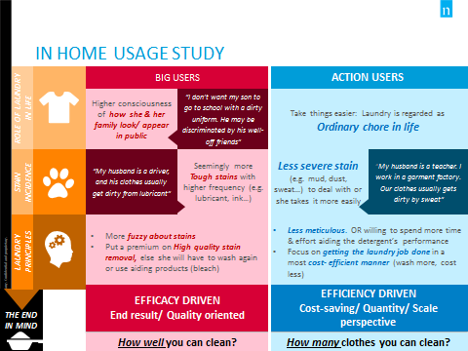
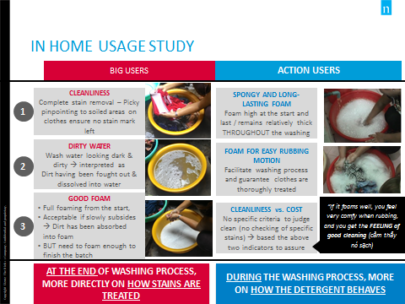
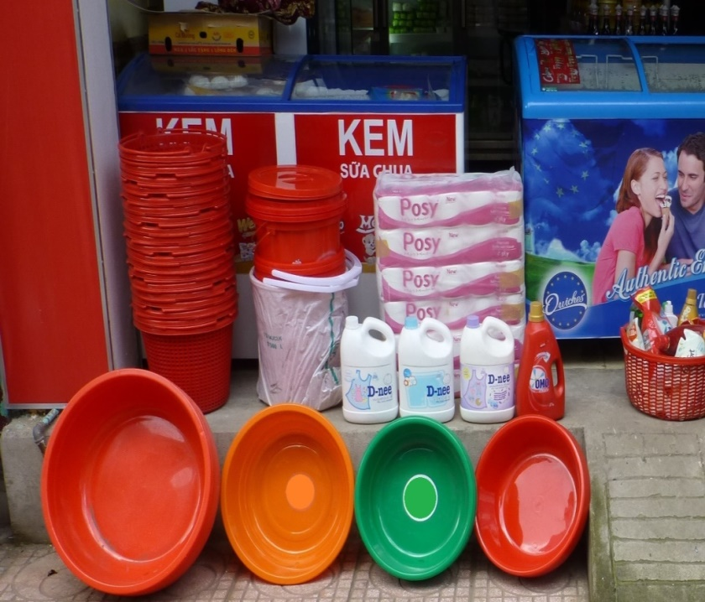
Volume Sales in Units of Action - Total Vietnam |  |  |  |  |  |  | Promo items:
 | Action 800g |  | Action 3kg |  | Action 4.5kg |  |  |  | Total Items | Items which have promotion
 | Aug'14 | Sep'14 | Aug'14 | Sep'14 | Aug'14 | Sep'14 |  | Aug'14 | 464,923 | 151,773 | 33%
Total Items | 464,923 | 564,563 | 89,828 | 136,644 | 126,866 | 157,191 |  | Sep'14 | 564,563 | 321,633 | 57%
Items which have promotion | 151,773 | 321,633 | 42,120 | 91,442 | 72,398 | 115,103 |  | Aug'14 | 89,828 | 42,120 | 47%
 | 33% | 57% | 47% | 67% | 57% | 73% |  | Sep'14 | 136,644 | 91,442 | 67%
 |  |  |  |  |  |  |  | Aug'14 | 126,866 | 72,398 | 57%
Feedback from Retailers on Action Promotion |  |  |  |  |  |  |  | Sep'14 | 157,191 | 115,103 | 73%
 | There’s a basket promotion when buying from 800g up
 | Many customers request Action in Sep’14, I introduced it because I participate in a display program, and I purchased a lot because of big trade discount
 | I purchase only when I’m OOS. Some months it sells, some months it doesn’t

Value % Share - Total Vietnam
 | MAT 2YA | MAT LY | MAT TY
Big's Items which have promotion | 1.2 | 1.1 | 2.7

In Home Usage Study Result:

